Summary
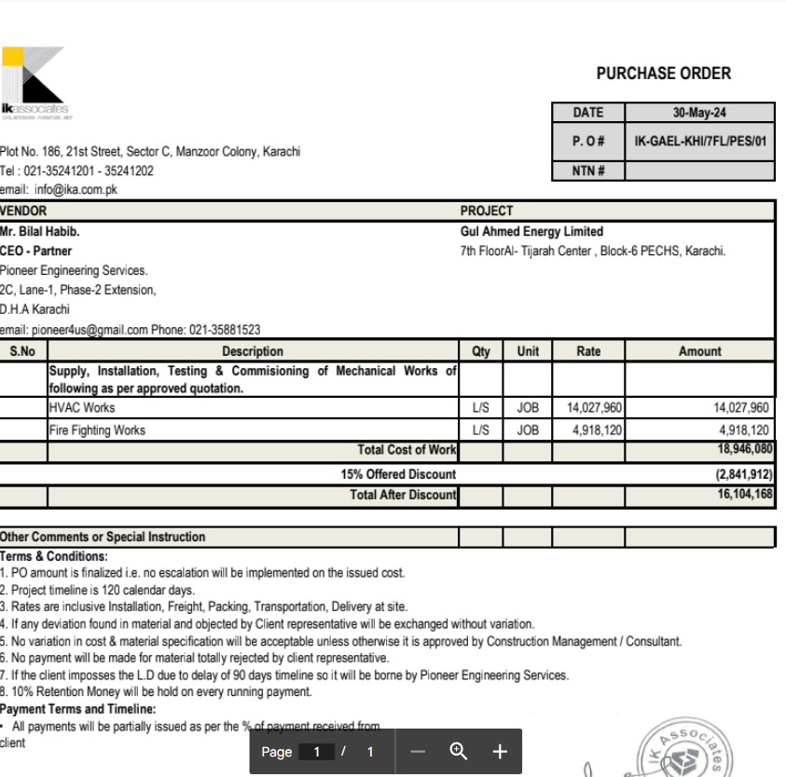

HVAC & Fire Fighting Works |  |  |  | 17-Aug-24

GUL AHMED ENERGY LIMITED
PHASE # 2 7TH FLOOR, AL-TIJARAH CENTER KARACHI

SUMMARY OF RUNNING BILL NO 1

S.No | Description | Material | Labour | Amount

1 | HVAC Work | 6,218,219 | 992,880 | 7,211,100
2 | Fire Fighting | 1,689,850 | 315,847 | 2,005,697

3 | 03 Nos Vairation amount | - | - | 4,630,864

 | Grand Total Amount |  |  | 13,847,661

